selection_cat
Crack | 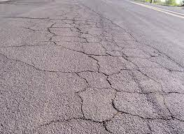 | On hold
Subsidence |  | In progress
Groove | 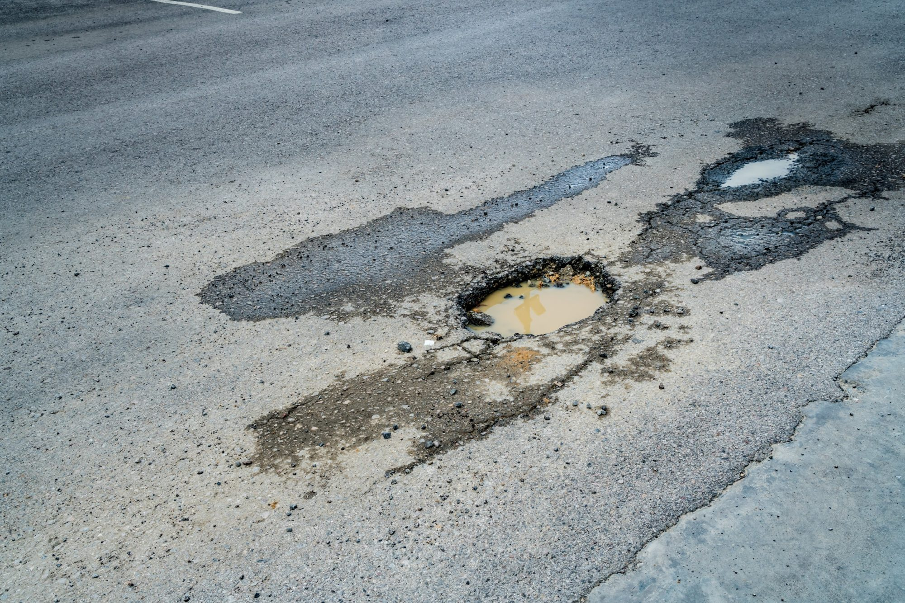 | Done
Rut | 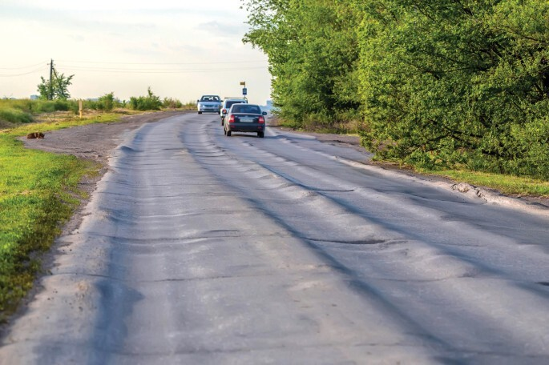
Not sure!

